INPUTS
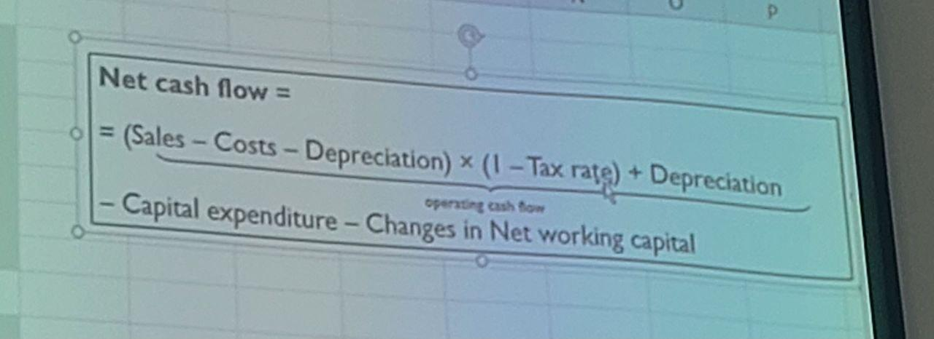
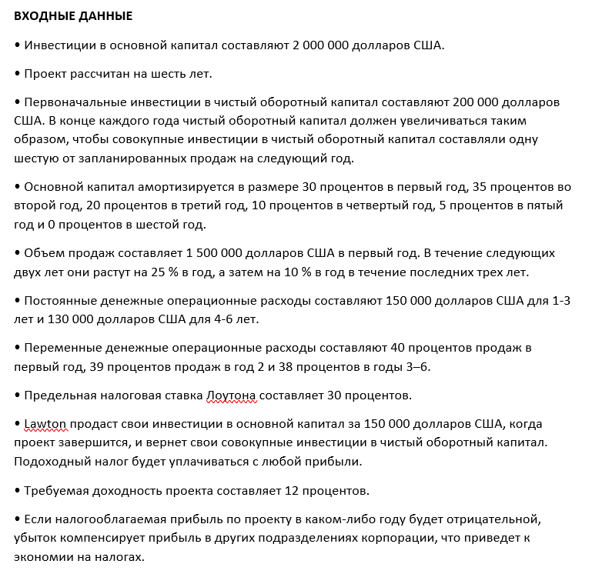
INPUTS
• Fixed capital investment is $2,000,000.
• The project has an expected six-year life.
• The initial investment in net working capital is $200,000. At the end of each year, net working capital must be increased so that the cumulative investment in net working capital is one-sixth of the next year’s projected sales.
•The fixed capital is depreciated 30 percent in Year 1, 35 percent in Year 2, 20 percent in Year 3, 10 percent in Year 4, 5 percent in Year 5, and 0 percent in Year 6.
• Sales are $1,500,000 in Year 1. They grow at a 25 percent annual rate for the next two years, and then grow at a 10 percent annual rate for the last three years.
• Fixed cash operating expenses are $150,000 for Years 1–3 and $130,000 for Years 4–6.
• Variable cash operating expenses are 40 percent of sales in Year 1, 39 percent of sales in Year 2, and 38 percent in Years 3–6.
• Lawton’s marginal tax rate is 30 percent.
• Lawton will sell its fixed capital investments for $150,000 when the project terminates and recapture its cumulative investment in net working capital. Income taxes will be paid on any gains.
• The project’s required rate of return is 12 percent.
• If taxable income on the project is negative in any year, the loss will offset gains elsewhere in the corporation, resulting in a tax savings.

ANALYSIS
Determine whether this is a profitable investment using the NPV and IRR. | BOTH
If the tax rate increases to 40 percent and the required rate of return increases to 14 percent, is the project still profitable?

